Sheet1
Water Toy Description | Name of Renter | Tel # of Renter | Date of Rental | $ Amount of Rental | Product
BIC 12 PB | Jonathan Lau | 425-555-1234 | 2020-07-05 | $50.00 | ProductID | ProductName
Hobie Kayak | Cicely Brown | 206-555-9872 | 2020-07-05 | $50.00 | PK
Red 11 PB | Yan Li | 303-555-7689 | 2020-07-05 | $50.00 | 1 | BIC 12 PB
Pau Hana 10 PB | Oswaldo Gomez | 206-555-8265 | 2020-07-06 | $50.00 | 2 | Hobie Kayak
Hobie Duo Kayak | Ljeoma Oluo | 425-555-1276 | 2020-07-06 | $80.00 | 3 | Red 11 PB
Red 11 PB | Jerry Hoffman | 805-555-1870 | 2020-07-06 | $50.00 | 4 | Pau Hana 10 PB
Pau Hana 10 PB | Julie Sahni | 213-555-5927 | 2020-07-06 | $50.00 | 5 | Hobie Duo Kayak

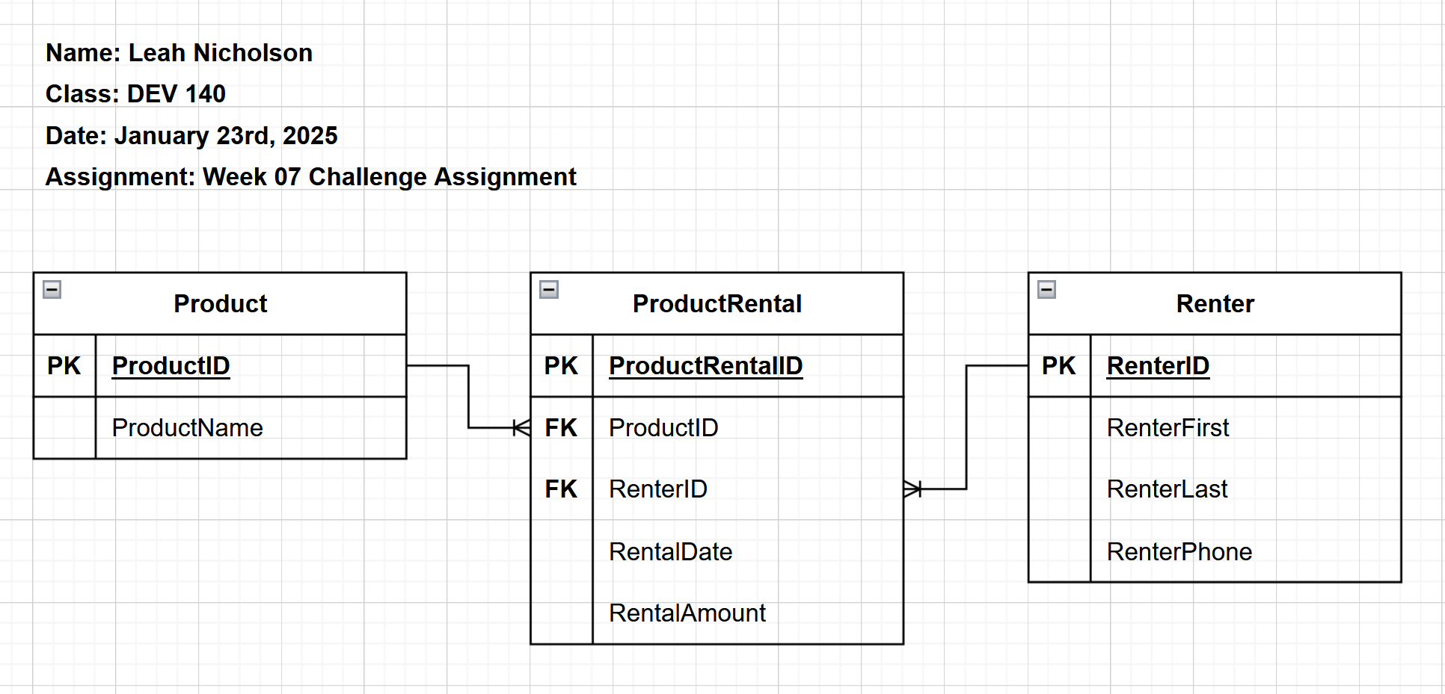
 |  |  |  |  | ProductRental
 |  |  |  |  | ProductRentalID | ProductID | RenterID | RentalDate | RentalAmount
 |  |  |  |  | PK | FK | FK
 |  |  |  |  | 1111 | 1 | 100 | 2020-07-05 | $50.00
 |  |  |  |  | 2222 | 2 | 200 | 2020-07-05 | $50.00
 |  |  |  |  | 3333 | 3 | 300 | 2020-07-05 | $50.00
 |  |  |  |  | 4444 | 4 | 400 | 2020-07-06 | $50.00
 |  |  |  |  | 5555 | 5 | 500 | 2020-07-06 | $80.00
 |  |  |  |  | 6666 | 3 | 600 | 2020-07-06 | $50.00
 |  |  |  |  | 7777 | 4 | 700 | 2020-07-06 | $50.00

 |  |  |  |  | Renter
 |  |  |  |  | RenterID | RenterFirst | RenterLast | RenterPhone
 |  |  |  |  | PK
 |  |  |  |  | 100 | Jonathan | Lau | 425-555-1234
 |  |  |  |  | 200 | Cicely | Brown | 206-555-9872
 |  |  |  |  | 300 | Yan | Li | 303-555-7689
 |  |  |  |  | 400 | Oswaldo | Gomez | 206-555-8265
 |  |  |  |  | 500 | Ljeoma | Oluo | 425-555-1276
 |  |  |  |  | 600 | Jerry | Hoffman | 805-555-1870
 |  |  |  |  | 700 | Julie | Sahni | 213-555-5927

